Sheet1
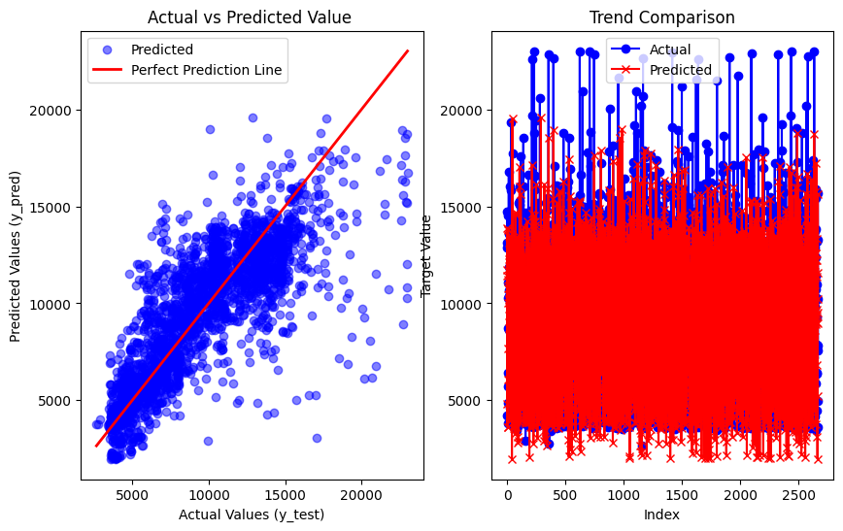
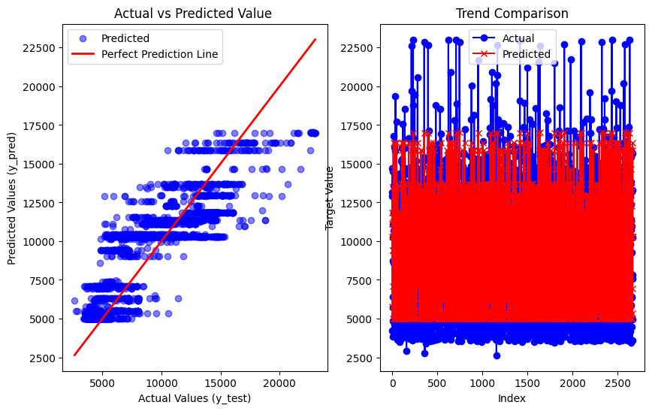
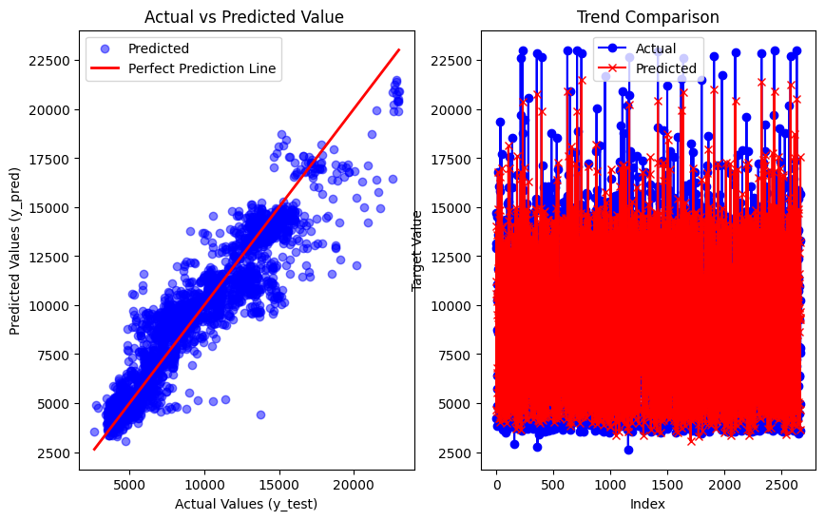
Airline Dataset (predictions on Eval data after removing outliers and compared with Random forest)

Decision Tree vs Random Forest | Linear regression vs Random forest | SVR vs Random Forest

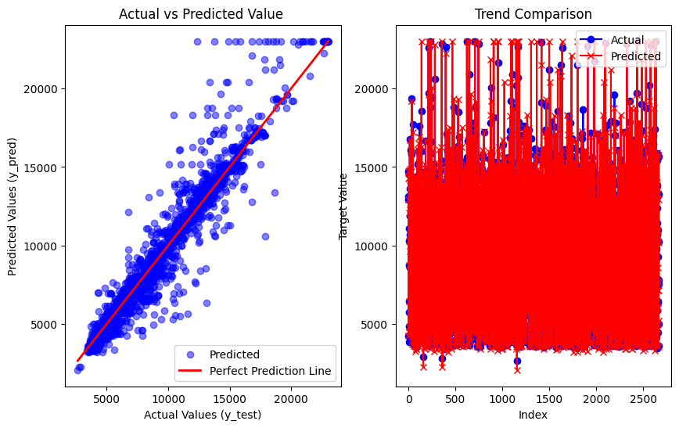
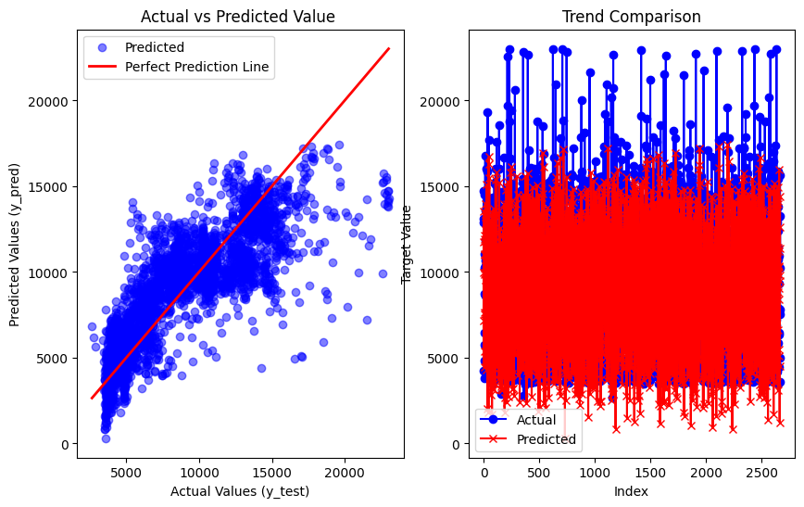
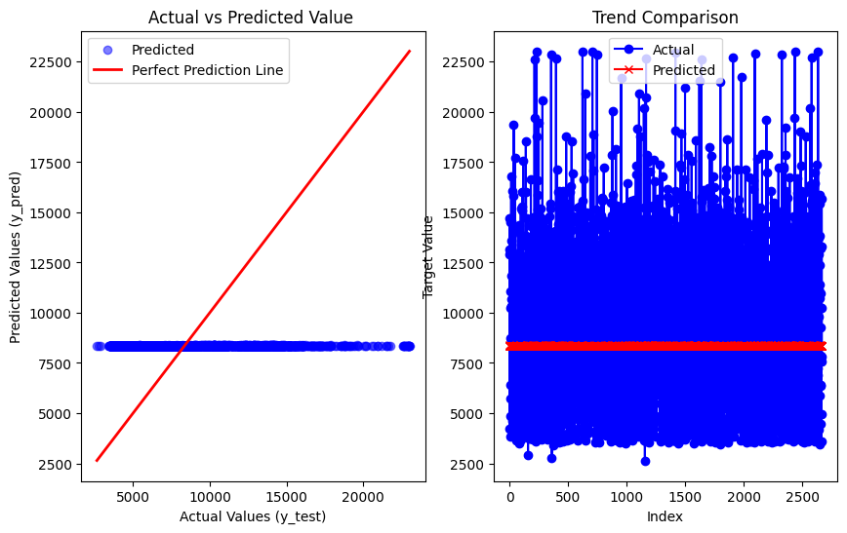

KNN vs Random forest | Adaboost vs Random forest | Gradient boost vs Random forest

